Electricity grid infrastructure
Technical Basis for Electricity Grid Infrastructure and Loss Modeling
1. Overview
This appendix provides the technical parameters, computational logic, and inventory data utilized to model the environmental and energetic impacts of electricity grid reinforcements. As the transition to individual and hybrid heat pump scenarios necessitates significant localized grid upgrades, this dataset serves as the primary link between neighborhood-level energy demand and the resulting material-embedded environmental impacts.
2. Methodological Reasoning
The modeling framework is structured around the hierarchical levels of the Dutch electricity grid (netvlakken), ranging from high-voltage national backbones to low-voltage neighborhood distribution. For the scope of this research, specific emphasis was placed on:
Underground Infrastructure: In alignment with the urban characteristics of Delft, all local reinforcements (Medium and Low Voltage) are modeled as underground XLPE cables. This choice significantly influences material intensity due to the requirement for specific insulation and protective sheathing compared to overhead lines.
Burden Attribution: By modeling infrastructure requirements across different voltages, the study ensures that the environmental "cost" of electrification is not limited to the household level but accounts for the necessary upstream reinforcements.
Material-Energy Nexus: The data integrates both the physical mass of the cables (for LCA impacts) and their resistive properties (for operational energy loss calculations), providing a holistic view of the system's efficiency.
3. Computational Framework
The following engineering principles were applied to derive the values presented in the integrated model:
Resistance Calculations: Conductor resistance was determined based on material resistivity (Copper or Aluminum) and cross-sectional areas according to international standards.
Joule Heating (Line Losses): To account for energy dissipation during transport, power losses were calculated using the formula below represents the phase current derived from peak neighborhood heat demand.
Environmental Characterization: Physical cable mass (expressed in $kg/m$) was coupled with a specific emission factor of approximately $2.5\text{ kg } CO_{2}\text{-eq per kg}$ of cable, based on a comprehensive supply chain analysis of Dutch grid components.
4. Data Inventory and Sources
The values populated in this model were synthesized from a combination of industrial standards, regional utility data, and peer-reviewed literature:
Infrastructure Specifications: Cable types, materials, and typical cross-sections were sourced from Stedin (Open Data), the regional grid operator for Delft, and NEN-EN 60228:2019 (Conductors of insulated cables).
Grid Modeling Theory: Chapters 2 and 4 of the Phase to Phase technical manual provided the theoretical basis for line loss and impedance calculations within the Dutch context.
Impact Factors: The carbon intensity and material weights for XLPE-insulated cables were retrieved from the recent Dutch "Ketenanalyse" for Grid Expansion (Uitbreidingen elektriciteitsnet), which provides specific emission data per kilometer of line type.
Foundational Physics: Resistance and transmission principles were verified against literature from Diversegy regarding energy transmission line losses.
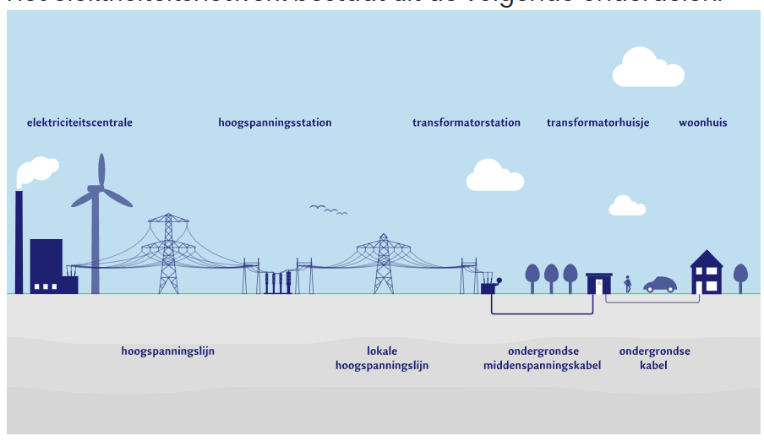

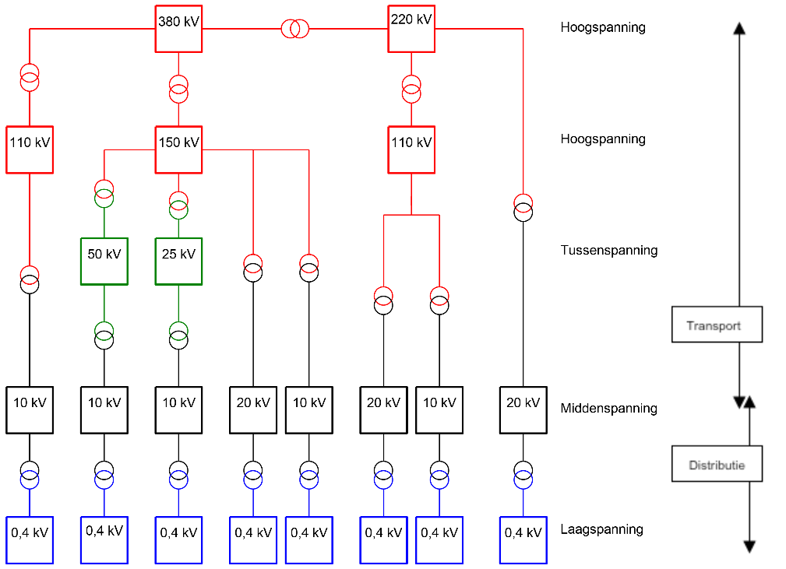

 |  |  |  |  |  |  |  |  |  |  |  |  |  |  |  |  | Functie | Niveau | Bovengronds (km) | Ondergronds (km)
 |  |  |  |  |  |  |  |  |  |  |  |  |  |  |  |  | Koppelnet | Hoogspanning | 2682 | 3
 |  |  |  |  |  |  |  |  |  |  |  |  |  |  |  |  |  | (220/380 kV)
 |  |  |  |  |  |  |  |  |  |  |  |  |  |  |  |  | Transportnet | Hoogspanning | 5492 | 3760
 |  |  |  |  |  |  |  |  |  |  |  |  |  |  |  |  |  | (50/110/150 kV)
 |  |  |  |  |  |  |  |  |  |  |  |  |  |  |  |  | Distributie, regionaal | Middenspanning | 0 | 101965
 |  |  |  |  |  |  |  |  |  |  |  |  |  |  |  |  |  | (3 t/m 25 kV)
 |  |  |  |  |  |  |  |  |  |  |  |  |  |  |  |  | Distributie, lokaal | Laagspanning | 174 | 145165
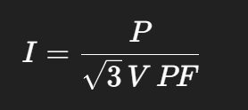
Rationale |  |  |  |  |  |  |  |  |  |  |  |  |  |  |  |  |  | (0,4 kV)
1 | Line voltage (kV, line-to-line RMS)
2 | Active power flow (kW)
3 | Power factor (PF)
4 | Cable resistance (Ω/km, adjusted to operating temperature)
5 | Line length (km)

Grid data (see below for refs)
 | Level | NL term | Voltage (kV) | Power flow (MW, active) | Power factor (PF) | line length (km) | Losses at operating temp (70dC) in (ohm/km) | Typical construction | Conductor | Typical cross-sections | cables per circuit | Notes | Phase current (A) | Loss per km (kW/km) | Total loss (kW) | Loss per metre (W/m)
 | High voltage lines (380/220 kV) | HS | 380 | 1500 | 0.99 | 1 | 0.03 | Mostly overhead ACSR bundles or underground XLPE | Al (with steel core) / Al | 400mm^2 | 1 per phase (bundles vary) |  | 2302.0345661 | 476.94268294 | 476.94268294 | 476.94268294
 |  | HS | 220 |  | 0.99 | 1 |  |  |  |  |  |  | 0 | 0 | 0 | 0
 | Local high voltage (150/110/50 kV) | HS/TS | 150 | 200 | 0.99 | 1 | 0.054 | Underground XLPE single-core per phase | Al or Cu | 400-630mm^2 | 3 single-core cables per circuit (L1/L2/L3) | Mirrors MS-transport pattern below. | 777.57612012 | 97.949188858 | 97.949188858 | 97.949188858
 |  | HS/TS | 110 |  | 0.99 | 1 |  |  |  |  |  |  | 0 | 0 | 0 | 0
 |  | HS/TS | 50 |  | 0.98 | 1 |  |  |  |  |  |  | 0 | 0 | 0 | 0
 | Medium voltage (3–25 kV) | MV (MS) | 20 | 14 | 0.95 | 1 | 0.061 | XLPE insulation with semiconductive screens, copper wire screen, swell tape, PE/PVC sheath | Al (common) or Cu | Distribution: 16–240 mm² (3-core); Transport: 240–630 mm² (single-core) | 3-core: 1 cable per circuit; single-core: 3 cables per circuit | Examples from phase to phase: 3×240 Al (distribution) and 1×400/630 Al (transport). “as70” = 70 mm² Cu screen. | 425.41598782 | 33.119113573 | 33.119113573 | 33.119113573
 | Medium voltage (3–25 kV) | MV (MS) | 10 | 6 | 0.95 | 1 | 0.161 | XLPE insulation with semiconductive screens, copper wire screen, swell tape, PE/PVC sheath | Al (common) or Cu | Distribution: 16–240 mm² (3-core); Transport: 240–630 mm² (single-core) | 3-core: 1 cable per circuit; single-core: 3 cables per circuit | Examples from phase to phase: 3×240 Al (distribution) and 1×400/630 Al (transport). “as70” = 70 mm² Cu screen. | 364.64227528 | 64.221606648 | 64.221606648 | 64.221606648
 | Low voltage (400 V) | LV (LS) | 0.4 | 0.2 | 0.95 | 1 | 0.247 | 4-core (3 phases + neutral), PVC or XLPE, Cu screen (meander/S-type), PE/PVC sheath | Cu or Al | Service drop: 6–16 mm²; LV main: 16–240 mm² | 1 cable per connection (4 cores) | Common plastic type: ALKUDIA; 40% legacy GPLK remains in NL. | 303.86856273 | 68.421052632 | 68.421052632 | 68.421052632
 | Low voltage (400 V) | LV (LS) | 0.4 | 0.055 | 0.95 | 1 | 1.45 | 4-core (3 phases + neutral), PVC or XLPE, Cu screen (meander/S-type), PE/PVC sheath | Cu or Al | Service drop: 6–16 mm²; LV main: 16–240 mm² | 1 cable per connection (4 cores) | Common plastic type: ALKUDIA; 40% legacy GPLK remains in NL. | 83.563854751 | 30.375692521 | 30.375692521 | 30.375692521

 | Loss per km (kW/km)
380 | 476.94268294
220 | 0
150 | 97.949188858
110 | 0
50 | 0
20 | 33.119113573
10 | 64.221606648
 | (outdated) Notes:
 | Local Delft electricity lines will be all under ground probably, not sure how relevant the high voltage line data will be.
 | I include supporting infrastructure like alumimium towers for the high voltage in the impacts, but not substations. CO2/km of line type of data was hard to find.
 | Many LCA's take an average for the whole country because they argue that the grid is connected and impacts should therefore be proportionally allocated.

 | The only source i could find that did it for the Netherlands in a CO2/km style was in a recent Dutch “ketenanalyse” for grid expansion (“Uitbreidingen elektriciteitsnet”)
 | I found a useful data point: for an underground XLPE 12/20 kV cable (1×240 mm² AlRM/25) the study uses: 1.616 kg cable per metre and an emission factor ~2.5 kg CO₂ per kg cable

 | Sources
 |  | chapter 2 phase to phase
 |  | chapter 4 phase to phase
 |  | https://www.stedin.net/zakelijk/open-data/liggingsdata-kabels-en-leidingen
 |  | NEN-EN 60228:2019 Conductors of insulated cables.
 |  | Assumption based on https://pure.tue.nl/ws/portalfiles/portal/46919680/638521-2.pdf

